2022 Indi 4a(iv) Chart
 | Pell Grant Recipients by State of Residence | State Need Based Grant Recipients
2020 | 6,721,507 | 2,306,545
2019 | 6,841,530 | 2,311,847
2018 | 7,089,270 | 2,349,006
2017 | 7,171,700 | 2,218,714
2016 | 7,635,677 | 2,256,873
2015 | 8,287,426 | 2,395,504
2014 | 8,635,254 | 2,386,661
2013 | 8,931,555 | 2,421,212
2012 | 9,416,836 | 2,406,625
2011 | 9,282,305 | 2,434,049
2010 | 8,070,949 | 2,302,761
2009 | 6,138,088 | 2,275,192
2008 | 5,523,124 | 2,183,523
2007 | 5,145,057 | 2,035,147
2006 | 5,147,746 | 2,021,286
2005 | 5,288,082 | 1,935,476
2004 | 5,116,830 | 1,965,229
2003 | 4,752,009 | 1,855,781
2002 | 4,124,200 | 2,313,709
2001 | 3,675,246 | 2,062,879
2000 | 3,732,732 | 1,939,358
1999 | 3,821,814 | 1,779,739
1998 | 3,712,789 | 1,844,890
1997 | 3,644,535 | 1,725,605
1996 | 3,588,751 | 1,629,167
1995 | 3,645,797 | 1,599,694
1994 | 3,698,329 | 1,584,486
1993 | 3,776,727 | 1,522,844
1992 | 3,552,059 | 1,422,355
1991 | 3,185,931 | 1,397,881
1990 | 3,114,559 | 1,340,637
1989 | 3,002,438 | 1,318,685
1988 | 2,695,981 | 1,303,369
1987 | 2,435,649 | 1,314,507
1986 | 2,605,725 | 1,302,911
1985 | 2,545,840 | 1,315,839
1984 | 2,576,956 | 1,285,041
1983 | 2,362,631 | 1,248,512
1982 | 2,525,622 | 1,208,838
1981 | 2,529,254 | 1,238,270
1980 | 2,384,853 | 1,276,431
1979 | 1,680,391 | 1,215,828

2022 Indi 4a(iv) Data&Image
Equity Indicator 4a(iv): Numbers of Pell and state need-based grant aid recipients: 1979-2020

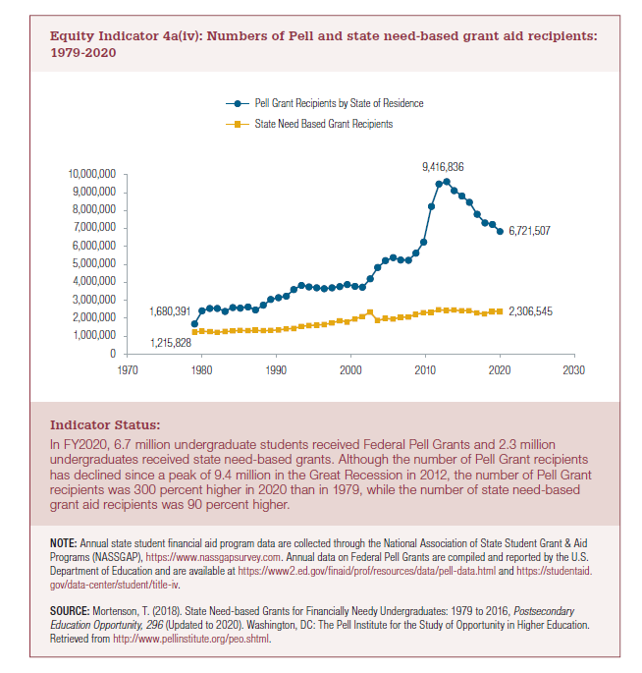
Year | Pell Grant Recipients by State of Residence | State Need Based Grant Recipients
2020 | 6,721,507 | 2,306,545
2019 | 6,841,530 | 2,311,847
2018 | 7,089,270 | 2,349,006
2017 | 7,171,700 | 2,218,714
2016 | 7,635,677 | 2,256,873
2015 | 8,287,426 | 2,395,504
2014 | 8,635,254 | 2,386,661
2013 | 8,931,555 | 2,421,212
2012 | 9,416,836 | 2,406,625
2011 | 9,282,305 | 2,434,049
2010 | 8,070,949 | 2,302,761
2009 | 6,138,088 | 2,275,192
2008 | 5,523,124 | 2,183,523
2007 | 5,145,057 | 2,035,147
2006 | 5,147,746 | 2,021,286
2005 | 5,288,082 | 1,935,476
2004 | 5,116,830 | 1,965,229
2003 | 4,752,009 | 1,855,781
2002 | 4,124,200 | 2,313,709
2001 | 3,675,246 | 2,062,879
2000 | 3,732,732 | 1,939,358
1999 | 3,821,814 | 1,779,739
1998 | 3,712,789 | 1,844,890
1997 | 3,644,535 | 1,725,605
1996 | 3,588,751 | 1,629,167
1995 | 3,645,797 | 1,599,694
1994 | 3,698,329 | 1,584,486
1993 | 3,776,727 | 1,522,844
1992 | 3,552,059 | 1,422,355
1991 | 3,185,931 | 1,397,881
1990 | 3,114,559 | 1,340,637
1989 | 3,002,438 | 1,318,685
1988 | 2,695,981 | 1,303,369
1987 | 2,435,649 | 1,314,507
1986 | 2,605,725 | 1,302,911
1985 | 2,545,840 | 1,315,839
1984 | 2,576,956 | 1,285,041
1983 | 2,362,631 | 1,248,512
1982 | 2,525,622 | 1,208,838
1981 | 2,529,254 | 1,238,270
1980 | 2,384,853 | 1,276,431
1979 | 1,680,391 | 1,215,828

